Sheet1
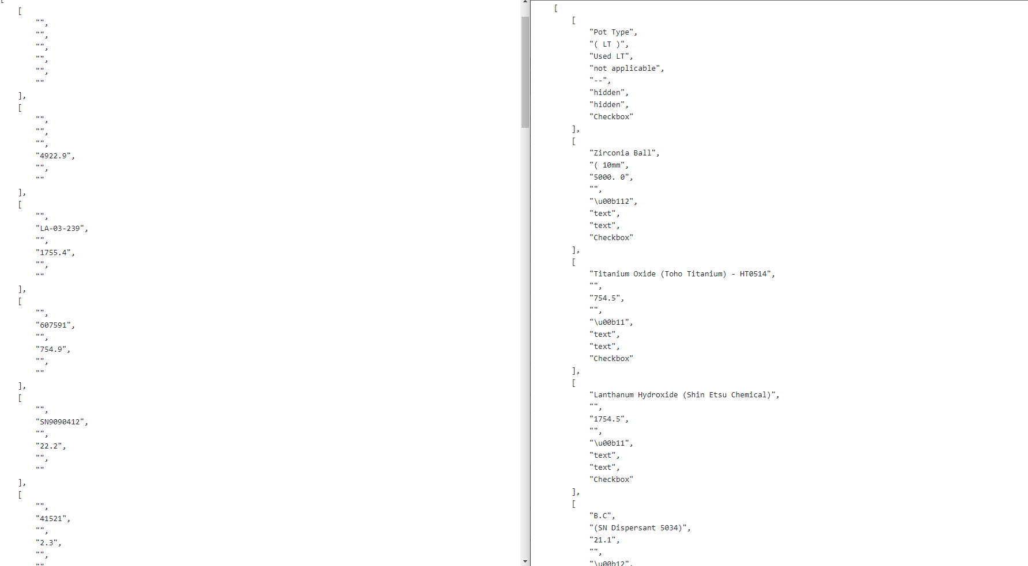

DisplayMixingSub | DisplayMixingInformation

Lanthanum Hydroxide (Shin Etsu Chemical) ->TiO2()

Titanium Oxide (Toho Titanium) - HT0514 ->La2O3()

